Contents
Health Counts 2024 | 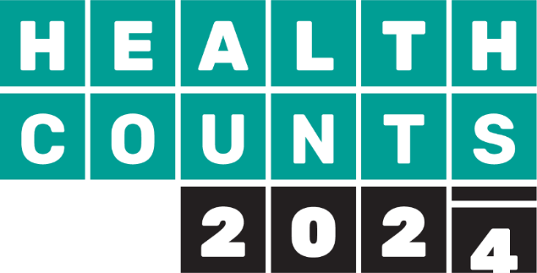
Appendix 2 tables: questions by population characteristic
See full report for more details on the survey and survey methods
Health Counts
If using this data please use the following citation:
Gilchrist, K., Sherriff, N.S., Huber, J., Galvin, K., Mirandola, M., Murtagh, S., Llewellyn, C., Vass, C.,Knight, L., Guzek, J., Aicken, C., Sawyer, A., Davidson, S., & Gray, C (2024). Health Counts 2024: Summary of Results. Brighton, Brighton & Hove City Council.

Question: | Definition
General health | % of adults in good, very good or excellent health
Disability | % of disabled adults
Low happiness | % of adults with a low happiness score (0-4 out of 10 where 0 is 'not at all happy' and 10 is 'completely happy')
High anxiety | % of adults with a high anxiety score (6-10 out of 10 where 0 is 'not anxious' and 10 is 'completely anxious')
Self harm | % of adults who have self harmed in the last 12 months
Suicidal thoughts | % of adults who have thought of taking their life in the last 12 months, even though they would not actually do it
Suicide attempt ever | % of adults who have ever made an attempt to take their life
Current smoker | % of adults who currently smoke (daily or occasionally)
Current vaper | % of adults who currently vape (daily or occasionally)
Alcohol increasing_higher risk | % of adults who drink at increasing or higher risk, or possible dependence level
Binge drinking | % of adults who binge drink daily or almost daily
Drug use | % of adults who have used drugs in the last year
Gambling participation | % of adults who gamble, even if only occasionally
Gambling related harm | % of adults who gamble, who report gambling related harm
Condom use | % of adults who never used a condom, of those who had sex with a new partner in the last year
HIV test | % of adults who have had a HIV test in the last 12 months
Sport and fitness activity | % of adults who have done less that 30 minutes of sport and fitness activity in the last week
Sitting | % of adults who sit for 10 or more hours per day on a weekday
5 a day | % of adults who eat five portions of fruit and vegeables a day
Healthy weight | % of adults who are a healthy weight
Time in nature | % of adults who spent time in nature at least once a month
Tooth brushing | % of adults who brush their teeth at least twice a day
Never visit dentist | % of adults who never visit the dentist
Satisfaction with local area | % of adults who are very or fairly satisfied with local area as a place to live
Belonging | % of adults who have a very or fairly strong feeling of belonging to their local area
See or speak to neighbours | % of adults who see speak to neighbours at least once or twice a week
Ask for help | % of adults, if ill in bed and needed help, have someone you could ask
Cost of living | % of adults who are taking any actions due to the increases in cost of living
Housing condition worries | % of adults who are very or fairly worried about housing conditions
Feel unsafe at night | % of adults who feel very or a bit unsafe at night
Unwanted sexual behaviours | % of adults who have experienced catcalls, whistles, unwanted sexual comments or jokes from a stranger in a public space
Being followed | % of adults who felt that they were being followed
Physically threatened | % of adults who felt physically threatened by a stranger in a public space
Worried about violence self | % of adults who felt very or fairly worried about physical violence against them
Worried sexual assault rape | % of adults who felt very or fairly worried about being sexually assaulted / raped
Hate crime ethnicity religion | % of adults who are very or fairly worried about being targetted by perpetrators of hate crime because of your ethnic heritage or religion or their perceived ethnic heritage or religion - by ethnicity, asylum/refugee status and religion
Hate crime sexual orientation | % of adults who are very or fairly worried about being targetted by perpetrators of hate crime because of your sexual orientation or perceived sexual orientation - by sexual orientation
Hate crime TNBI | % of adults who are very or fairly worried about being targetted by perpetrators of hate crime because you are trans, non-binary or present as gender divergent - by gender identity
Hate crime disability | % of adults who are very or fairly worried about being targetted by perpetrators of hate crime because of your disibility or assumed disability - by disability and neurodiversity, learning difference or disbility, or physical or mental health condition

